Sheet1
Test Number | Test Purpose | Precondition | Steps | Test resource | Supposed to be | Attachment | After so | Test result
1 | Enter Pineland Music School homepage using a URL to present a log in content | 1. This test is supposed to run the finished job that is Pineland Music School | 1. Run the Pineland Music School project on the local Django server 2. Open browser that installed in your computer 3. Using http://127.0.0.1:8000/ to log in | Our project URL：http://127.0.0.1:8000/ NB: This URL only matches the local host | User should be taken to the welcome page with the log in function on it. The full functionalities of the welcome page are listed as follows: 1. Log in box (user name and password required, with the button LOG IN on it) |  | User should be able to be taken to other pages by clicking the relavent button | Passed
2 | User can create a new Contract using the pineland music school site | 1. Pineland Music school site is launched on a compatible browser | 1. Navigate to the Contract creation page by clicking the "Contract creation" button on the page 2. Fill in all the required blanks in the creation page 3. Click "Submit" button at the bottom of the creation page | studentID teacherID InstrumentChoice startDate endDate LessonType LessonDuration LessonCost LessonQuantity TotalLessonCost | When the user click "Submit" botton, he will be navigated to a contract creation page which contains a form that need to be filled. The information needed is listed in Test resources. Since all those data will be stored in the database, the user is mandatories to fill in all blanks Once the user correctly fill in all the blanks in the creation page and click "Submit", a new contract will be created and all information will be stored into the database (in MySQL). | 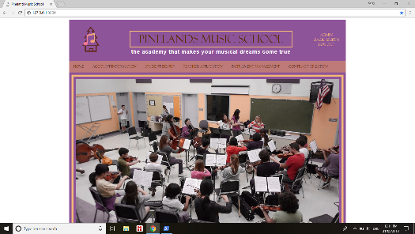 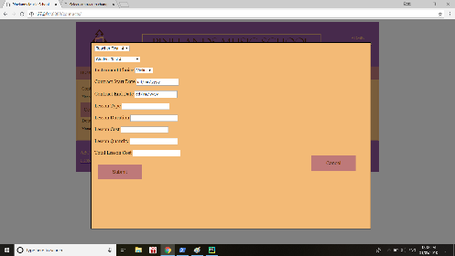 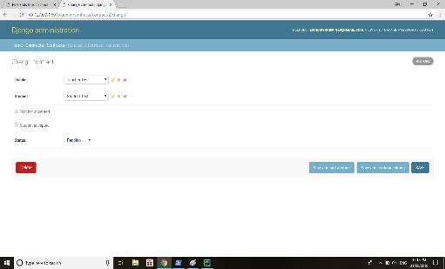 | User will get a pending payment request, and a created contract number | Passed
3 | User can create a new Account as a student using the website | 1. Pineland Music school site is launched on a compatible browser | 1. Navigate to the student sign up page by clicking "Student Sign Up" bottom on the home page 2. Click "Sign up now" on the student sign up page 3. Fill in all the information required in the student account creation form 4. Click "Submit" bottom at the bottom of the account creation page | FirstName LastName DOB StreetNumber StreetName Suburb PostCode Gender Phone Facebook Emall Password | When the user click "Sign up now", he will be navigated to the student account creation page which will contain box and blanks for those information in test resources. Once the user submit those information with all blanks correctly a new studentID was created and stored into the database | 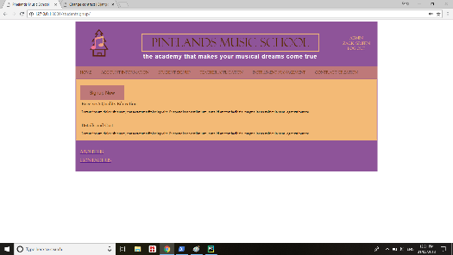 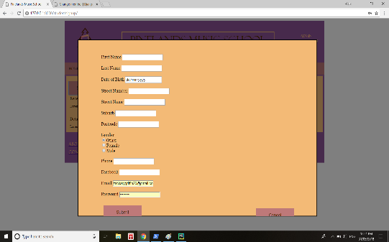 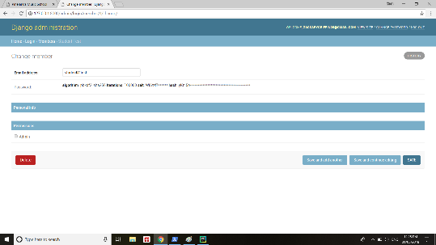 | The user is now able to create a contract using the studentID, and get access to the student space | Passed
4 | User can create a new Account as a teacher using the website | 1. Pineland Music school site is launched on a compatible browser | 1. Navigate to the teacher account creation page by clicking "Apply now" button on the page 2. Fill in all the information required in the teacher account creation form 3. Click "Submit" button at the bottom of the account creation page | firstName lastName DOB gender phone email contactPref qualifications instrumentSpecialty languageKnown password confirmPassword | When the user click "Apply Now", he will be navigated to the teacher account creation page which will contain box and blanks for those information in test resources. Once the user submit those information with all blanks correctly, a teacher account is created and stored into database |  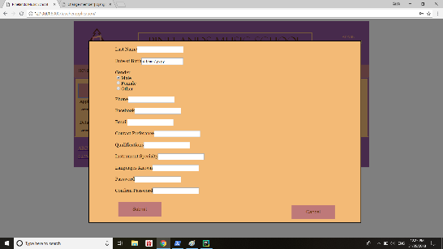 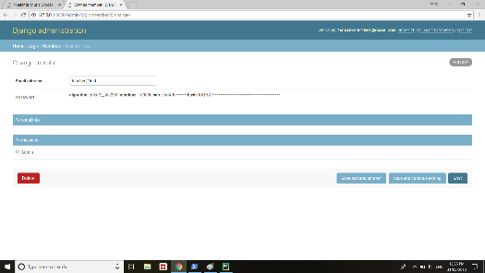 | The user now can accept contract that assigned by the manager, and set avaliable, instruments, etc. on the personal information page | Passed
5 | User cannot log in the system by typing in unmatched username/password | 1. Pineland Music school site is launched on a compatible browser | 1. Navigate to the welcome page by entering http://127.0.0.1:8000/ in the web browser 2. Type in the username and password 3. Click "Log in" button | Wrong Username Wrong password | In welcome page the login area, if the user entered incorrect username and password, the page will automatically refreashed and block the log in action | 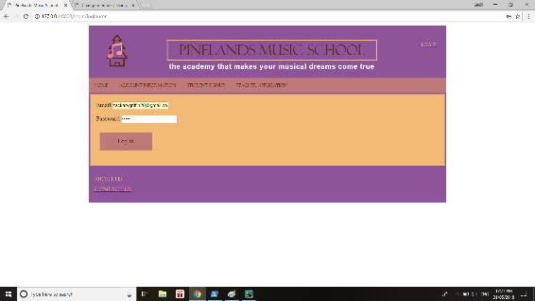 | User will be re-directed to the log in page | Passed
6 | Password is masked with asterisk | 1. Pineland Music school site is launched on a compatible browser | 1. Navigate to the log in page by enter the URL: http://127.0.0.1:8000/. 2. Type in the password and Click "Log in" | A correct password | The password blank should be filled with asterisk with the typing in of the user | 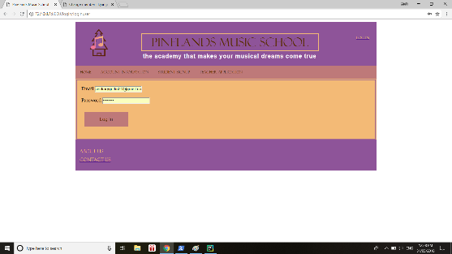 | User can log in the system without to worry about the shoulder-surfing | Passed
7 | Check status of instruments | 1. Pineland Music school site is launched on a compatible browser 2. Logged User type is either a student, teacher, manger, admin or owner | 1. Click "Instruments management" on the tab 2. Click the specific instrument on that page | A valid teacher/admin user name: zackgriffin20@gmail.com A valid teacher/admin password: password | After the user log in the system and click "instrument managerment", all available instruments will come up with the detail information, such as ID, size, condition, etc. |  | The user can check the status of particular instruments, if the user is student or teacher, he can chose to borrow or buy it; if the user is manager, admin or owner, he can change the details | Passed
8 | User cannot signup as a student by not filling in all required fields | 1. Pineland Music school site is launched on a compatible browser | 1. Navigate to the Student Signup page. 2. Click the "Signup Now" button at the top of the page 3. Don't fill out any of the required infomation fields. 4. Click the "Submit" button at the bottom of the form | memberID studentID firstName lastName DOB email password | When the user tries to sign up as a student, if they don't fill out any of the required information fields, then you won't be able to submit the form. You will be told what fields are required. | 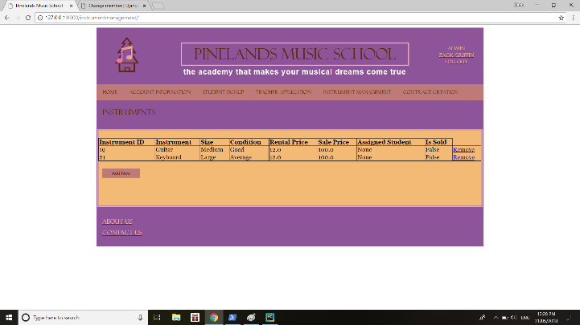 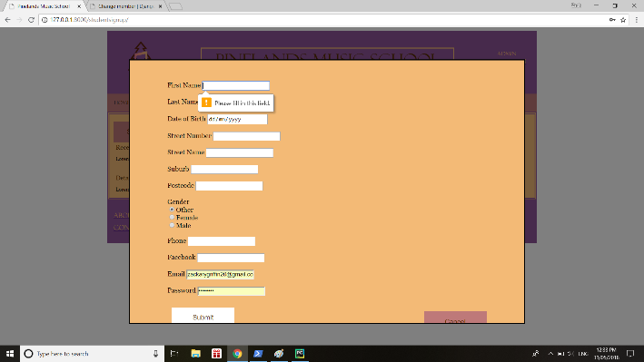 | The message saying what fields are required will appear | Passed
9 | User cannot apply to be a teacher by not filling in all required fields | 1. Pineland Music school site is launched on a compatible browser | 1. Navigate to the Teacher Application page. 2. Click the "Apply Now" button at the top of the page 3. Don't fill out any of the required infomation fields. 4. Click the "submit" button at the bottom of the form | teacherID firstName lastName DOB email password | When the user tries to apply as a teacher, if they don't fill out any of the required information fields, then you won't be able to submit the form. You will be told what fields are required. | 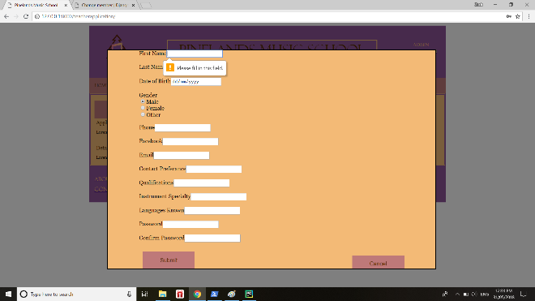 | The message saying what fields are required will appear | Passed
10 | Log in as Admin | 1. Pineland Music school site is launched on a compatible browser 2. Admin account has already been created | 1. Click the "Log in" link in the top right hand corner of the page 2. Enter the email and password that is associated with the admin account then click the "Log in" button directly below that | memberID email password | The user is able to login as an admin and once they have done that they will be taken back to the home page with all links to all pages available | 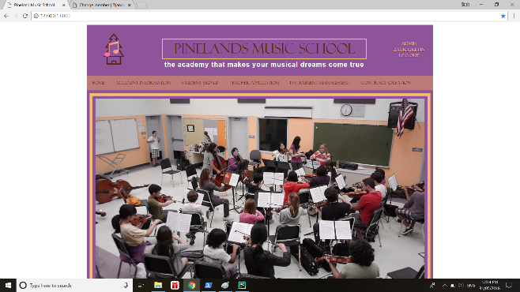 | The user will be taken back to the Home page with all links available. | Passed
11 | Log in as teacher | 1. Pineland Music school site is launched on a compatible browser 2. Admin account has already been created | 1. Click the "Log in" link in the top right hand corner of the page 2. Enter the email and password that is associated with the admin account then click the "Log in" button directly below that | memberID email password | The user is able to login as an admin and once they have done that they will be taken back to the home page with all links to all pages available |  | The user will be taken back to the Home page with all links available. | Passed
12 | Log in as Student | 1. Pineland Music school site is launched on a compatible browser 2. Admin account has already been created | 1. Click the "Log in" link in the top right hand corner of the page 2. Enter the email and password that is associated with the admin account then click the "Log in" button directly below that | memberID email password | The user is able to login as an admin and once they have done that they will be taken back to the home page with all links to all pages available |  | The user will be taken back to the Home page with all links available. | Passed
13 | Check Personal details in Account Information | 1. Pineland Music school site is launched on a compatible browser 2. An account has been created | 1. Click on the Account Information link at the top of the page 2. Ensure all personal details are correct | memberID firstName lastName email DOB | The user is able to see the personal details they had to enter when creating an account on the site | 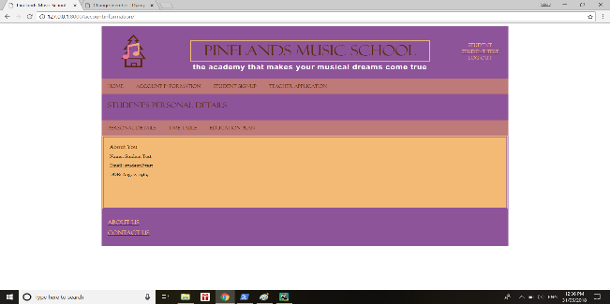 | The user can see all their personal information | Passed
14 | Adding New Instruments function works | 1. Pineland Music school site is launched on a compatible browser 2. An account has been created | 1. Navigate to the Instrument Management page. 2. Click the "Add New" button 3. Add in the details about the new instrument into the "Add New Instrument" form. 4. Click the "Submit" button | InstrumentID studentID rentalCost | The user is able to add new instruments to the list of available ones at the music school | 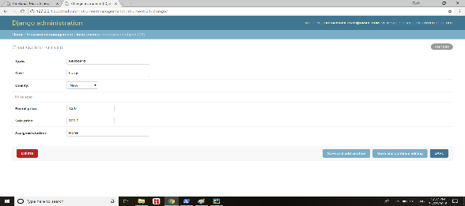 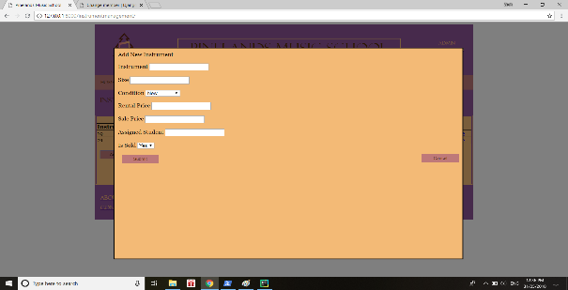 | After adding a new instrument the user can see it in the list of available instruments | Passed

